Instructions
Mitigation Assessment Modelling Tool Selection - Developed by the Caribbean Cooperative Measurement, Reporting, and Verification Hub (MRV Hub)

This workbook implements a simple comparative method (qualitative and quantitative) for selecting a suitable modelling tool from amongst thee major options (GACMO, LEAP, PROSPECTS+) - it was developed considering regional circumstances in the Caribbean and is most suited for use therein but may also be useful in other developing countries (with modifications). It should be duly noted that while this workbook compares the three listed tools, there are many more modelling tools available. However, these three were chosen to be compared in more detail as they are generally simpler than some other Computable General Equilibirum (CGE) Models and are ideal for use on a national scale, economy wide scale for GHG Mitigation.
Instructions

1 | The "Input Data Comparisons" sheet is read only to present general information on what data is typically needed for each tool. This can be useful to match with particular data availability circumstances
2 | The second tab gives a brief synopsis of each tool
3 | The "Typical Outputs (Pictorial)" sheet is read only to present information on some of the outputs from each tool. Do note, this is just a sample representation of outputs for each
4 | The "Tools Comparison - Descriptive" sheet is read only and compares the tools based on functionality, accessibilty, analytical options and reporting and can be a good guide before using the "scoring" sheet
5 | Data entry is performed on the sheet "Score Sheet"
6 | All the cells where the user can enter data are coloured yellow or green.
7 | The data required is:
 |  | A ranking score for each tool from 1-3 (inclusive) in the yellow areas - there is an associated ranking legeng to guide this in the "score sheet"
 |  | An intensity weighting in the green areas - these must add up to 100 for all areas assessed - this is illustrated in the "Score Sheet"
7 | Simple Suitabilty Calculations are performed on the same "Score Sheet" - with a maximum score of 100 per tool
Please note that it is helpful if stakeholder consultations have been completed on scoping your mitigation analysis before using this tool as some outputs from the project scoping may be needed to assign your intensity weightings in the score sheet
8 | There is an additional "High Level Decision Making" sheet that can be used for high level decision making (as an alternative or to supplement the score sheet) based on what the tools can and cannot do
Some other modelling tools and their descriptions can be found at:
https://leap.sei.org/default.asp?action=tools



The Caribbean Cooperative MRV Hub (CCMRVH) is part of the International Climate Initiative (IKI). The Federal Ministry for the Environment, Nature Conservation and Nuclear Safety (BMU) supports this initiative on the basis of a decision adopted by the German Bundestag. And through support from the UNDP/UNEP Global Support Programme.
www.mrvhub.org

Synopsis on Each Tool
Synopsis of Each Tool
GACMO - is an excel based GHG modelling tool, capable of covering all sectors with a wide variety of mitigation actions. It is open access and very useful for quantifying emission reduction and cost for selected mitigation actions. Projections pathways are exogenous to the model, with little energy supply/demand linkages in the model outputs where mitigation actions are assessed as technologies in isolation.
LEAP - is a windows based GHG modelling tool, capable of covering all sectors with a wide variety of mitigation actions (more detailed for the energy sector). Though not open access, it has been offered free to A&B for this project. Projection pathways are endogenous to the model (by linking with GHG emission drivers) and there can be detailed energy supply/demand linkages in the model outputs, allowing for optimization functionality in the Electricity Sector. LEAP can also model cost impacts and assessment of non-climate GHG impacts.
PROSPECTS+ - is an excel based modelling tool, covering all sectors but with more detailed representation of the building and transport sector. Though it can do some economic impact modelling, it does not represent cost of mitigation actions nor can it be used for optimization functionality within the electrical sector. There are “plug in” tools that works with PROSPECTS+ to perform more detailed SDG and air pollution analysis for the electrical sector.

Typical Outputs (Pictorial)
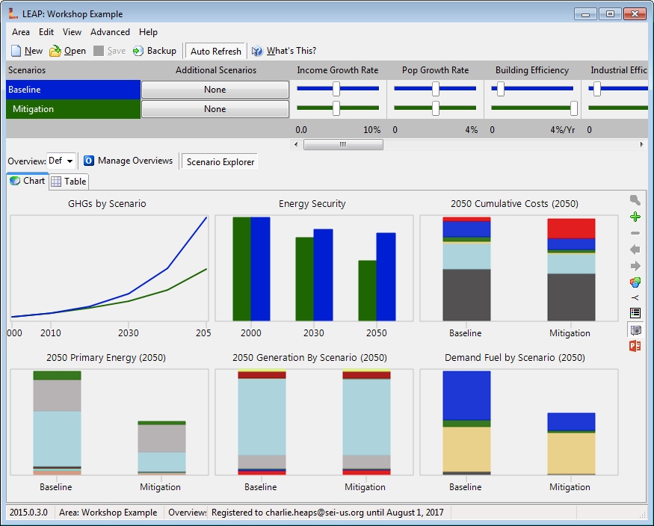
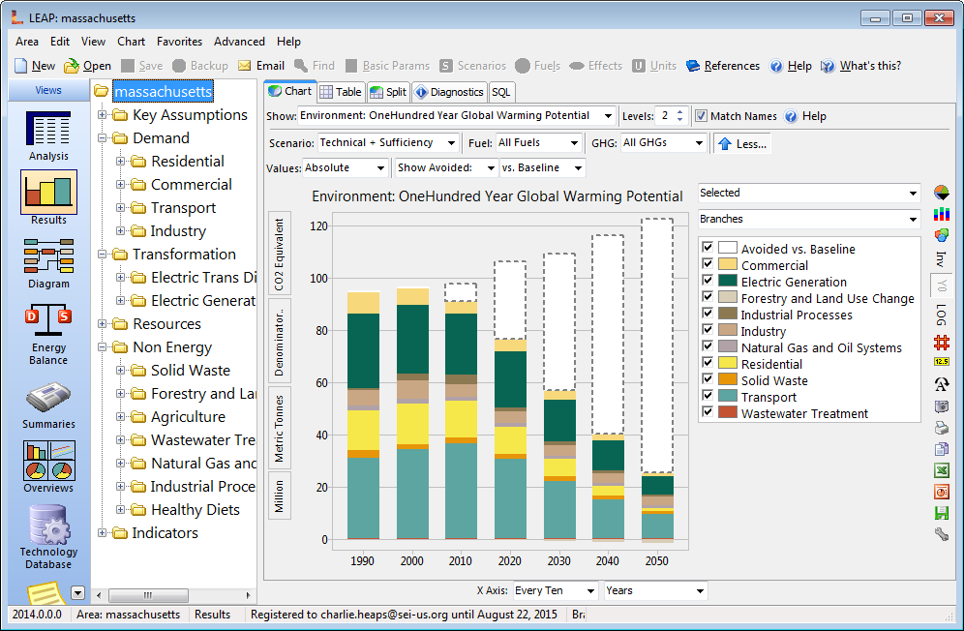
GACMO Typical Output (Pictorial) - Abatement Cost Curve for Years (2020, 2025, 2030, 2050) - Taken from https://unepdtu.org/publications/the-greenhouse-gas-abatement-cost-model-gacmo/

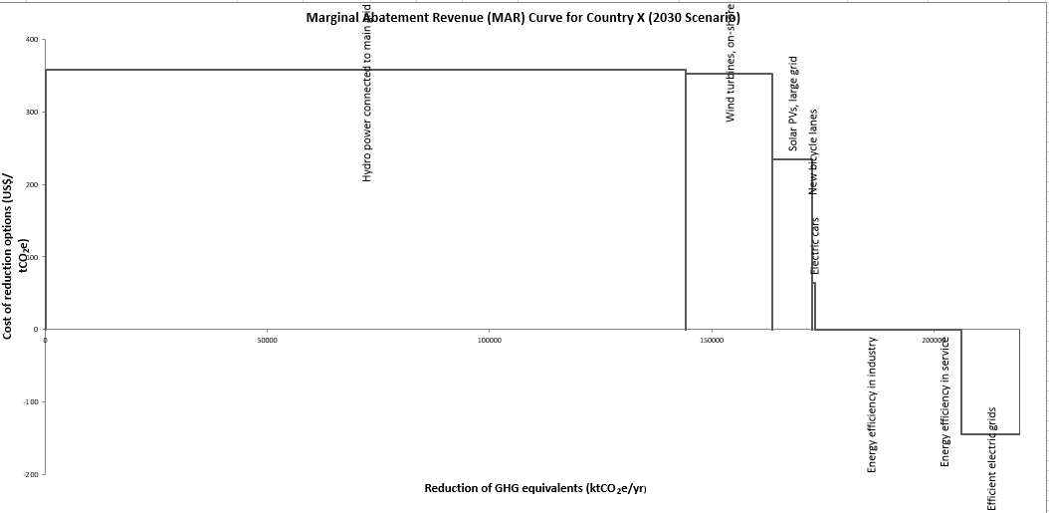
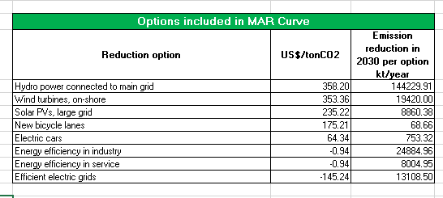

PROSPECTS+ Typical Output (Pictorial) - Taken from https://newclimate.org/2018/11/30/prospects-plus-tool/

LEAP Typical Output (Pictorial) - Snapshots taken from LEAP Software

Tools Comparison - Descriptive
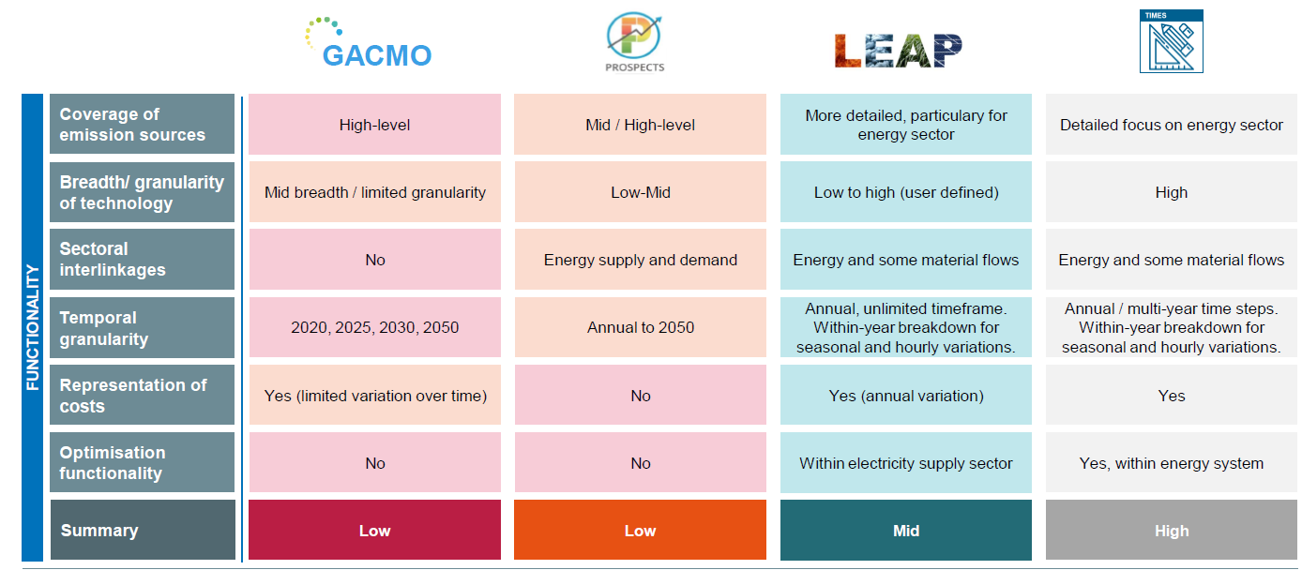
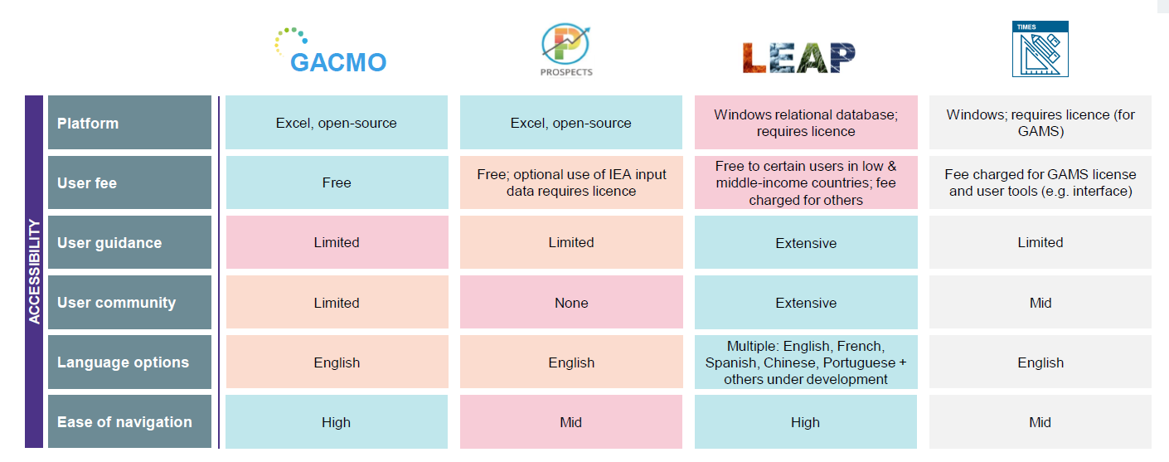
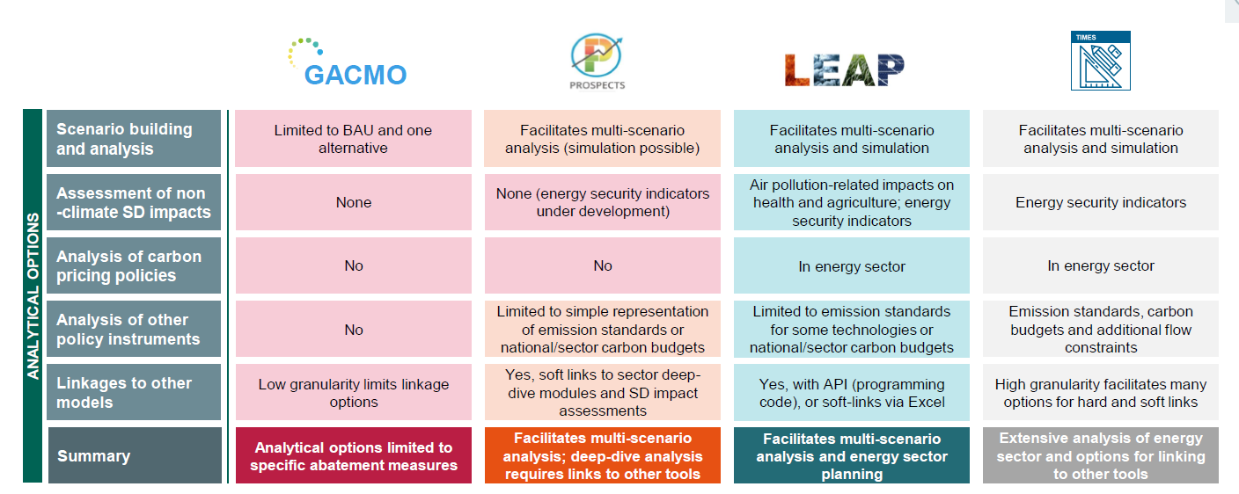
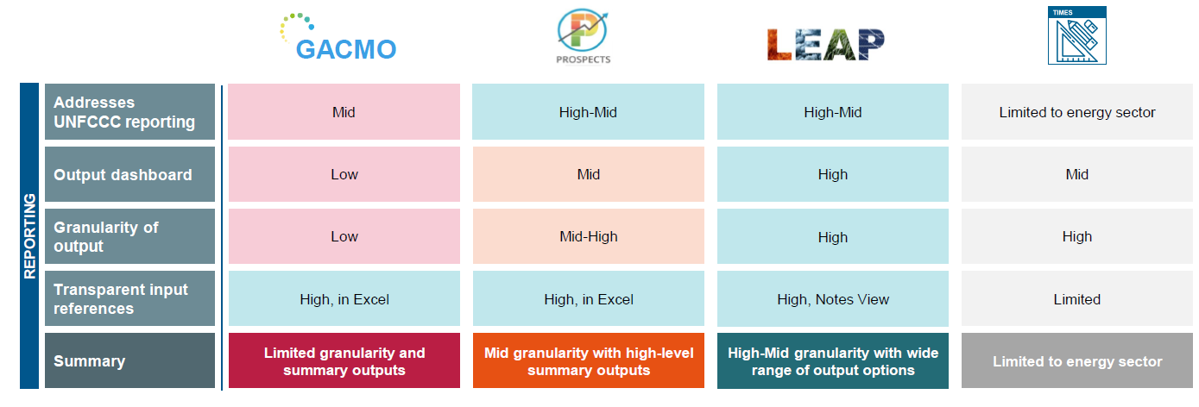
This Entire tab is attributed to actual work done by New Climate Institute. The tables are all outputs from their work. The website for New Climate Institute can be accessed at: https://newclimate.org/

